Sheet1
Question 4

 |  | Runtime Comparison:

 |  | Version 1: Array | Version 2: Linked List
 | 1 | 0 | 161620
 | 2 | 0 | 162593
 | 3 | 1014 | 163565
 | 4 | 982 | 161584
 | 5 | 0 | 160622
 | 6 | 0 | 160624
 | 7 | 0 | 159619
 | 8 | 0 | 159625
 | 9 | 0 | 162587
 | 10 | 0 | 160623
 | Average |  | 161306.2

 |  | Inference
 |  | Linked lists uses referencing to refer to other element, thus appending a new element requires it to parse through the existing list.
 |  | This takes a time complexity of n^2 whereas it takes a time complexity of n for an array.

 |  | Shrinking/Expanding :

 |  | Version 1: Array | Version 2: Linked List
 | 1 | 0 | 948
 | 2 | 996 | 30291
 | 3 | 0 | 31785
 | 4 | 0 | 33945
 | 5 | 0 | 79786
 | 6 | 0 | 57833
 | 7 | 958 | 60767
 | 8 | 997 | 73835
 | 9 | 1035 | 114740
 | 10 | 0 | 112434
 | 11 | 996 | 89792
 | Average | 452.90909091 | 62377.818182

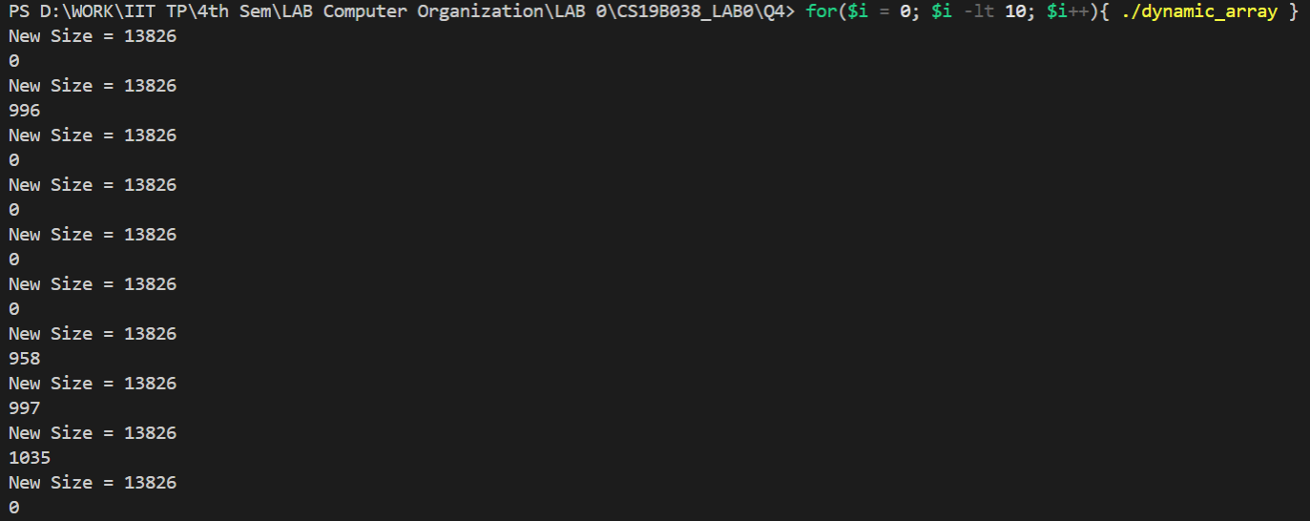

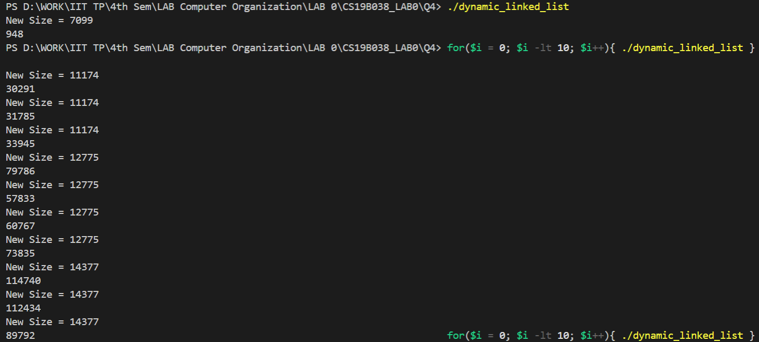

 |  | Inference
 |  | Though a linked list takes more time parsing through the list while resizing, in comparison to an array, it is not involved in creation of a new array like it does in arrays.

